Dashboard - Sample
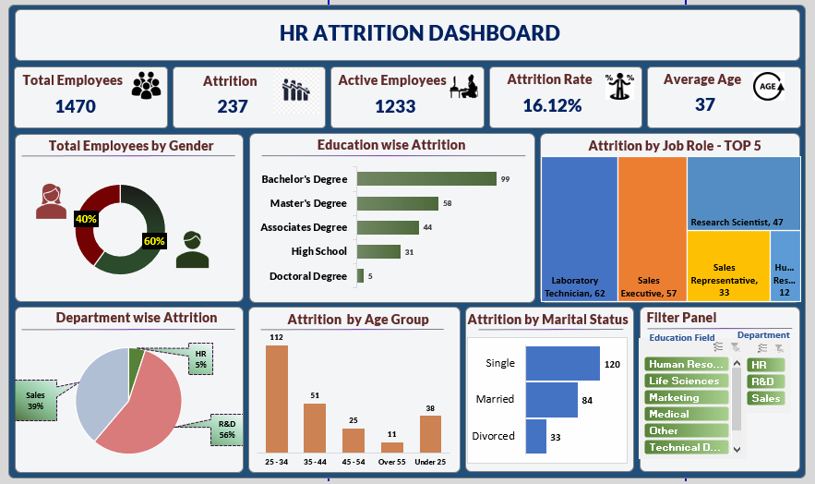

Total Employees by Gender
 | Series1
Male | 0.6
Female | 0.4
Row Labels | Sum of Employee Count
Female | 588
Male | 882
Grand Total | 1470

Female | 588 | 40%
Male | 882 | 60%

Education Wise Attrition
Row Labels | Sum of CF_attrition counts
Doctoral Degree | 5
High School | 31
Associates Degree | 44
Master's Degree | 58
Bachelor's Degree | 99
Grand Total | 237

Dep wise Attrition
Row Labels | Sum of CF_attrition count
HR | 5%
R&D | 56%
Sales | 39%
Grand Total | 100.00%

Attrition by Age Group
Row Labels | Sum of CF_attrition count
25 - 34 | 112
35 - 44 | 51
45 - 54 | 25
Over 55 | 11
Under 25 | 38
Grand Total | 237

Attrition by Marital Status
Row Labels | Sum of CF_attrition rate
Divorced | 33
Married | 84
Single | 120
Grand Total | 237

Blank - Layout
`
HR ATTRITION DASHBOARD

Total Employees
Attrition
Active Employees
Attrition Rate
Average Age

1470
237
1233
16.12%
37

Total Employees by Gender
Education Wise Attrition
Attrition by Job Role TOP-5

 | Total
Doctoral Degree | 5
High School | 31
Associates Degree | 44
Master's Degree | 58
Bachelor's Degree | 99
 | Series1
Male | 0.6
Female | 0.4

Department wise Attrition
Attrition by Age Group
Attrition by Marital Status
Filter Panel

 | Total
HR | 5%
R&D | 56%
Sales | 39%
 | Total
25 - 34 | 112
35 - 44 | 51
45 - 54 | 25
Over 55 | 11
Under 25 | 38
 | Total
Divorced | 33
Married | 84
Single | 120

